Out Rush Current Calculation
Northeast Power Systems, Inc.
66 Carey Road, Queensbury, NY |  |  |  |  |  | Phone: (518) 792-4776 Fax: (518) 792-5767 www.nepsi.com
 |  |  |  |  |  |  | Learn more about outrush reactors with this YouTube Live Video.
CAPACITOR BANK OUT RUSH CURRENT CALCULATION |  |  |  |  |  |  | https://youtu.be/YE-7cB8rG0U
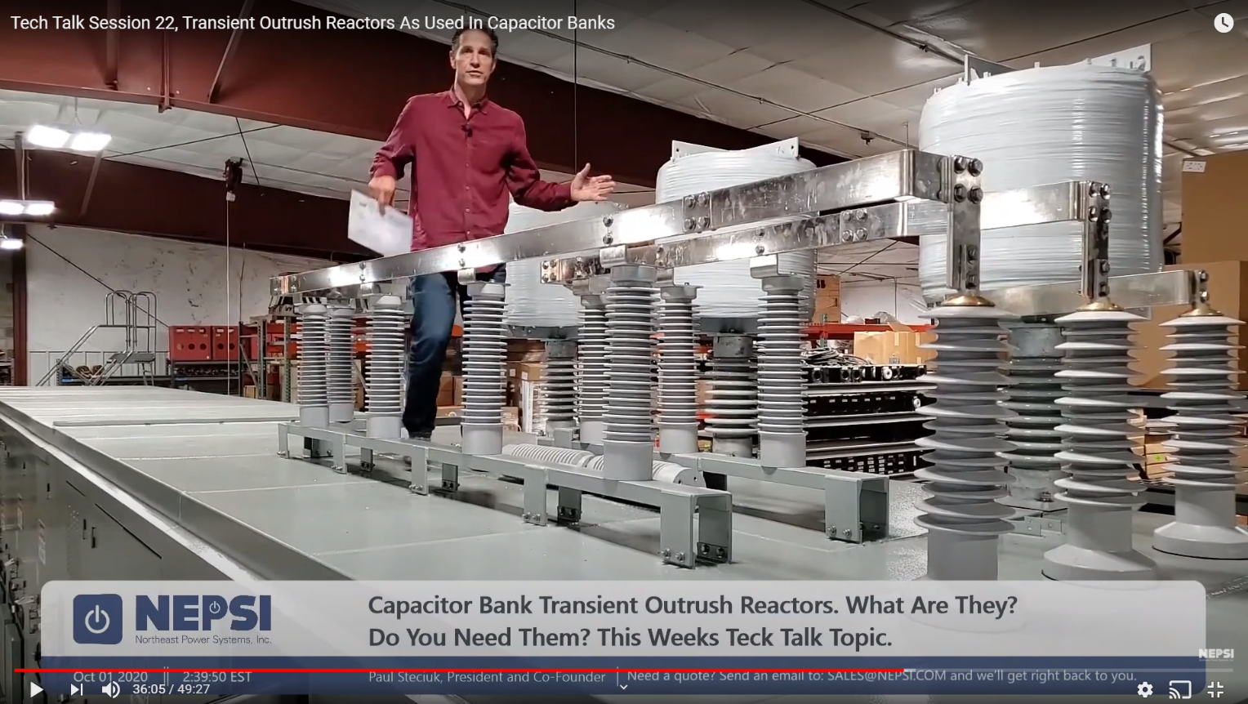
Project Information

Customer Name: | Customer Name |  |  | Project Name: | Project Name
Equipment Tag: | Tag Name

Background Information
This spreadsheet provides calculation assistance for calculating peak outrush current and frequency associated with a capacitor bank and nearby feeder circuit breaker that may close into a nearby fault (see figure to right). In such a scenario, depending on the grounding of the capacitor bank and the type of fault, the discharge current could exceed the breakers rating. The magnitude and frequency of the outrush current is dependent upon the total equivalent inductance between the capacitor bank and the fault, the capacitor bank rating, and the point on the voltage waveform where the breaker closes into the fault. This spreadsheet calculates the worst case current magnitude, assuming the fault occurs at peak voltage with no dampening due to resistance in the circuit. The spreadsheet allows for entry of inductance associated with transient inrush reactors, commonly put on each stage of the capacitor bank, inductance associated with an outrush reactor, commonly put in the incoming compartment of the capacitor bank or in series with the capacitor bank feeder cables supplying the capacitor bank, and the total inductance of the cable length and assocaited bus work between the capacitor bank and the close in feeder fault.
Note: For ungrounded banks, cable faults do not contribute to outrush current as these are line-to-ground faults and there is not a complete circuit for the out rush current to flow.
Information and formulas used in the spreadsheet were obtained from IEEE Standard 1036-2010 - Guide for the Application of Shunt Capacitors and IEEE PES technical report PES-TR16 - Transient Limiting Inductor Applications in Shunt Capacitor Banks.
X
X = Close in fault Capacitors discharge into fault (note grounding/type of fault matter)

Formulas
$i(t)=\frac{V_{\max\left(PEAK\right)}}{Z_{o}}Sin\left(ω_{o}t\right)$ (amps)
$ω_{o}=2πf=\sqrt{\frac{1}{{C_{total}L}_{S}}}$ (rad/s)
$Z_{o}=\sqrt{\frac{L_{s}}{C_{total}}}$ (ohms)
$I_{o}=\frac{V_{\max\left(PEAK\right)}}{Z_{o}}$ (amps peak)

Where
I(t) = Instantaneous Current
I_{O} = Maximum Peak Current
ω_{O} = Angular frequency
$$L_{eq}=\frac{1}{\frac{1}{L_{1}}+\frac{1}{L_{2}}+\frac{1}{L_{3}}+⋯\frac{1}{L_{n}}}$$
L_{S} = Total inductance to fault
V_{max(peak)} = Maximum peak line-to-neutral voltage
C_{total} = Total phase capacitance of capacitor bank
Z_{O} = Surge Impedance of circuit

$L_{S}=L_{eq}+L_{outrush}+L_{capacitor−to−fault}$

Capacitor Bank & System Data

Incoming outrush reactor Inductance (µH) |  |  |  | 0 | (outrush reactor inductance on capacitor bank main or feeder cables)
Total inductance between capacitor bank and fault (µH) |  |  |  | 20 | (inductance of cables - assume 0.2 µH/Foot if not known)
Bank Voltage Rating (kV) |  | 25 |  | (a 10% over-voltage may be considered for worst case condition)
Internal Inductance associated with the capacitor bank itself or internal bus work.
IEEE Std. C37.012-2005 - Application Guide for Capacitance Current Switching for AC High-Voltage Circuit Breakers provides the following basic approximatations for capacitor bank inductance :
Bus work between stages:
17.5kV and Below: 0.23uH/foot 38kV and below: 0.26uH/foot
Internal Inductance of capacitor stage:
Inductance/stages: 5uH/Stage - This does not included any added inductance associated with back-to-back inrush reactors placed on each stage.
Add above values to inrush reactors.
 | Frequency Rating of Bank (HZ) | 60
 | Stage Rating (kvar) | Stage Inrush/Outrush Inductance (µH) |  | Capacitance (µF) | Current Rating (amps)
Stage 1 | 10000 | 50 |  | 42.44 | 231.21 |  |  | 50 | 0.02
Stage 2 | 10000 | 50 |  | 42.44 | 231.21 |  |  | 50 | 0.02
Stage 3 | 10000 | 50 |  | 42.44 | 231.21 |  |  | 50 | 0.02
Stage 4 | 0 | 0 |  | 0.00 | 0.00 |  |  | 99999999999 | 1E-11
Stage 5 | 0 | 0 |  | 0.00 | 0.00 |  |  | 99999999999 | 1E-11
Stage 6 | 0 | 0 |  | 0.00 | 0.00 |  |  | 99999999999 | 1E-11
Stage 7 | 0 | 0 |  | 0.00 | 0.00 |  |  | 99999999999 | 1E-11
Stage 8 | 0 | 0 |  | 0.00 | 0.00 |  |  | 99999999999 | 1E-11

Leq (capacitor bank)(µH) | 16.7 | Total Capacitance (µF) |  | 127.33 |  |  |  |  | 0.06000000005
Zo (total inductance)(µH) | 36.7 |  |  |  |  |  |  |  | 16.666666653

Surge Impedance of Circuit (Zo) |  | 0.5366 | ohms
Peak Outrush Current (Io) |  | 38.1 | kA (amps peak)
Outrush Frequency (f) |  | 2329 | Hertz
I X f Product |  | 88.7 | kAKHz
Angular Frequency (ωo) |  | 14635 | rad/s

BREAKER RATING - Single Bank Operation

For C1 and C2 Rated Breakers
 |  | Interrupt Rating (kA) |  | Close and Latch Rating | Within Close & Latch Rating

 |  | 25 |  | 65 | Pass
Short Circuit Interrupt Rating (kA Sym) |  | 31.5 |  | 81.9 | Pass
 |  | 40 |  | 104 | Pass
 |  | 50 |  | 130 | Pass
 |  | 63 |  | 163.8 | Pass

For General Purpose Breakers and C0 Rated Breakers
 |  | Interrupt Rating (kA) |  | The lesser of 1.41 x Int Rating or 50 kA | Outrush Current Less than 20 kAKHz

 |  | 25 |  | Fail | Fail
Short Circuit Interrupt Rating (kA Sym) |  | 31.5 |  | Pass | Fail
 |  | 40 |  | Pass | Fail
 |  | 50 |  | Pass | Fail
 |  | 63 |  | Pass | Fail

BREAKER RATING - Parallel Bank Operation (2-Identical Systems in Parallel)

For C1 and C2 Rated Breakers
 |  | Interrupt Rating (kA) |  | Close and Latch Rating | Within Close & Latch Rating

 |  | 25 |  | 65 | Fail
Short Circuit Interrupt Rating (kA Sym) |  | 31.5 |  | 81.9 | Pass
 |  | 40 |  | 104 | Pass
 |  | 50 |  | 130 | Pass
 |  | 63 |  | 163.8 | Pass

For General Purpose Breakers and C0 Rated Breakers
 |  | Interrupt Rating (kA) |  | The lesser of 1.41 x Int Rating or 50 kA | Outrush Current Less than 20 kAKHz

 |  | 25 |  | Fail | Fail
Short Circuit Interrupt Rating (kA Sym) |  | 31.5 |  | Fail | Fail
 |  | 40 |  | Fail | Fail
 |  | 50 |  | Fail | Fail
 |  | 63 |  | Fail | Fail

