Calculation for Shunt Reactor
Northeast Power Systems, Inc.
66 Carey Road, Queensbury, NY |  |  |  |  |  |  |  |  |  |  |  |  |  |  |  | Phone: (518) 792-4776 Fax: (518) 792-5767 www.nepsi.com

Shunt Reactor & Transformer Switching Overvoltage Calculation (RRRV & TRV Calculation)

Project Information

Customer Name: |  |  | Customer Name |  |  |  | Project Name: |  |  | Project Name
Equipment Tag: |  |  | Tag Number

This spreadsheet calculates the transient recovery voltage (TRV) and rate of rise of recovery voltage (RRRV) associated with shunt reactor switching and transformer switching (or any other type of inductive switching) with single interrupter devices. This spreadsheet is applicable for vacuum and SF6 circuit breakers at voltages of 52KV and below. TRV and RRRV are calculated for circuits with (RC Snubbers, Surge Capacitors, Lightning Arresters) and without transient over-voltage mitigation. Calculations utilize the "chopping number approach" as presented in IEEE Std. C37.015-2017 - Guide for the application of shunt reactor switching, which requires the reactor's circuit breaker chopping current and the total capacitance seen from the circuit breaker. The calculation methods employed in C37.015 are assumed to apply to transformer switching as well, where the inductance of the reactor is exchanged for the magnetizing and leakage inductance of the transformer.
Circuit Diagram - Single Phase Equivalent
Background Information
 |  |  |  |  |  |  |  |  |  |  |  |  |  |  |  |  | Circuit Breaker Types
 |  |  |  |  |  |  |  |  |  |  |  |  |  |  |  |  | Air Blast
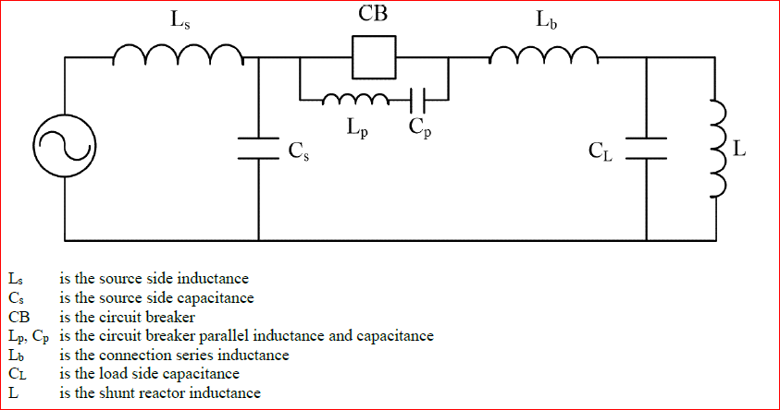
 |  |  |  |  |  |  |  |  |  |  |  |  |  |  |  |  | Minimum Oil
 |  |  |  |  |  |  |  |  |  |  |  |  |  |  |  |  | SF-6 Puffer
 |  |  |  |  |  |  |  |  |  |  |  |  |  |  |  |  | SF-6 Self-Blast
 |  |  |  |  |  |  |  |  |  |  |  |  |  |  |  |  | SF-6 Rot. Arc
 |  |  |  |  |  |  |  |  |  |  |  |  |  |  |  |  | Vacuum

This calculation method requires breaker data as well as system data as shown in the diagram above. The circuit diagram shown is a single-phase equivalent circuit for the first-pole-to-clear, which presents the highest TRV values.
The right side of the circuit diagram represents the load side of the breaker, where the energy trapped in the shunt reactor or transformer inductance (L_{b} and L) and the parallel capacitance (C_{L}) oscillate after current chopping. The circuit breaker may not successfully interrupt if its rated values for TRV and RRRV are exceeded, causing other oscillation modes, such as the first parallel, second parallel, and main circuit modes. These modes have higher frequencies than the load side mode, and can result in much higher TRV and RRRV values.

The chopping number approach cannot be applied to vacuum circuit breakers. The chopping current, however, can be determined by the contact material, and different equations must be used to determine TRV and RRRV.
t₃ is the time to reach TRV peak value defined in IEEE Std C37.04b-2008² and used in IEEE Std C37.015-2017¹ (Section 5.3) for calculating rated RRRV. The RRRV equation has been modified to use the system voltage instead of the circuit breaker's rated voltage.
SF6 circuit breakers are prone to only current chopping, while vacuum breakers are prone to both current chopping and voltage reignition³. Due to the vacuum breaker's potential for voltage escalation, it is recommended that mitigation measures are used even if TRV and RRRV are below rated values.
Equations - IEEE Std. C37.015-2017 - Guide for Application of Shunt Reactor Switching1
$$RRRV=V_{s}∙\sqrt{\frac{2}{3}}∙{k_{rv}}/{t_{3}}\left[\frac{KV}{μs}\right]$$
$$f_{L}=\frac{1}{2π\sqrt{\left(1+K\right)LC_{L}}}[Hz]$$
$$t_{p}=\frac{1}{2f_{L}}\left[μs\right]$$
Equations:
$$i_{c}=λ\sqrt{NC_{t}}[A]$$
$$k_{rv}=1+2K+k_{a}[p.u.]$$
$$t_{3}=0.87∙t_{p}[μs]$$

$$k_{a}=\left(1+K\right)\sqrt{1+\frac{1}{1+K}\left(\frac{3Nλ^{2}}{2ωQ}\right)}−K [p.u.]$$
Where:
• λ= Chopping Number
• i_{c}= Chopping Current
• K= Neutral Shift Factor
• Q= Reactor Power
Rating
• f_{L}= Load Side Oscillation Frequency
• C_{L}= Load Side Capacitance
• k_{rv}=TRV peak value across Circuit
Breaker in p.u.
• L= Shunt Reactor/Transformer
inductance
•t_{p}= Time to Peak
•V_{s}= System Voltage Line to Line
•ω=System Angular Velocity [rad/s]
•k_{a}=Suppression Peak at Shunt Reactor
•N= Breaking units per pole (Series)

$$C_{t}=C_{p}+\frac{C_{s}C_{L}}{C_{s}+C_{L}}[F]$$

Note: Cp corresponds to grading capacitors and are ignored as this spread sheet only applies to single interrupter circuit breakers where N=1.

Data Input: Table A.1¹ shows ranges of chopping numbers based on circuit breaker type. Chopping number is affected by system characteristics as well, so if chopping number must be fit to a value, fill in all other data inputs before changing chopping current to fit chopping number. For vacuum breakers, a list of chopping currents is given below based on contact material³. Always use maximum chopping current for vacuum breakers. Tips for calculating capacitance are provided on other tabs. Arc voltage can go as high as 1KV for SF-6 breakers and 0.1KV for vacuum breakers⁵, although the breaker manufacturer may be able to provide more accurate values.
Data Output: TRV and RRRV values should be compared to the circuit breaker's rated TRV and RRRV values for T10/T30 duties, which stand for 10% and 30% of rated short-circuit breaking current respectively. Tables 3 and 7 (located on another tab) provide reference values to the IEEE's preferred ratings for circuit breakers at rated voltages below 100KV⁴ for cable and overhead line systems respectively. However, the user's circuit breaker may have a different rating and, in that case, those values should be used if available.
Shunt Reactor & System Data |  |  |  |  |  |  | Results - No Over-Voltage Mitigation
 |  |  |  |  |  |  |  |  |  |  |  | Results |  | % of Breaker Rating

 | Source Data |  | Source Voltage Line-to-Line[KV] |  | 34.5 |  |  |  | Chopping Number [A/√F] |  |  | 22361
 |  |  | Source Frequency [Hz] |  | 60 |  |  |  | Reactor Inductance [H] |  |  | 2.1048
 |  |  | Source Side Capacitance [µF] |  | 250 | Grounded Reactor/XFMR |  |  | TRV peak [KV] |  |  | 71.4 |  | 90.3%
 |  |  | Chopping Current [A]* |  | 1 |  |  |  | Load Side Frequency [Hz] |  |  | 2453
 |  |  | Voltage Rating [KV] |  | 40.5 |  |  |  | RRRV [KV/µs] |  |  | 0.40 |  | 12.2%
 | Circuit Breaker Data |  | Circuit Breaker BIL [KV] |  | 185 | Ungrounded Reactor/XFMR |  |  | TRV peak [KV] |  |  | 100.3 |  | 126.7%
 |  |  | Breaking units per pole [-] |  | 1 |  |  |  | Load Side Frequency [Hz] |  |  | 2003
- Vacuum Breakers -
Current Chop Versus Contact Material
 |  |  | Rated TRV peak value Uc [KV] |  | 79.1 |  |  |  | RRRV [KV/µs]** |  |  | 0.46 |  | 14.0%
 |  |  | Rated RRRV Uc/t3 [KV/μs] |  | 3.3 |  |  |  | RRRV [KV/µs]*** |  |  | 0.57 |  | 17.1%
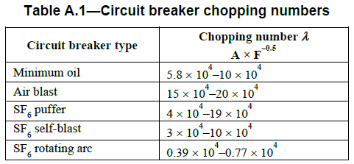
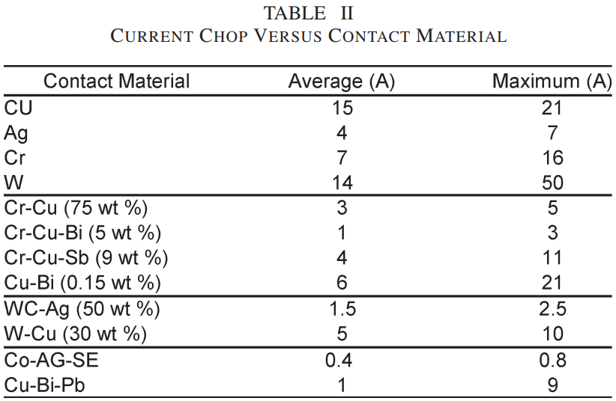
 |  |  | Circuit Breaker Type |  | SF-6 Puffer |  |  |  | 3 | Pass
 |  |  | Arc Voltage [KV] |  | 0.5 |  |  |  | 2 | Borderline result. Mitigation recommended.
Load Side Data |  |  | ****Reactor Power Rating [KVAr] |  | 1500 |  |  |  | 1 | Fail. Mitigation necessary.
 |  |  | Load Side Capacitance [µF] |  | 0.002
* If chopping current is not a known value, but chopping number is, fit the latter by changing chopping current after all other values are written. If neither is known, a table of ranges for chopping number is provided for the user to the right.
** Applicable for First-Pole-To-Clear
*** Applicable after all poles have cleared.
**** For transformer switching, magnetizing current is typically 1% to 2% of the transformer rating. In this field, enter the KVA of the magnetizing current which is equal to the 3-Phase KVA rating of the transformer multiplied by its percent magnetizing current (i.e. 10,000 kVA x 1.5% ≈ 150 KVAR).

Results - With Transient Over-Voltage Mitigation

Surge (Lightning) Arrester:
When connected parallel to the shunt reactor (line-to-neutral), the surge surge arrester can limit the suppression peak overvoltage at the reactor/transformer up to its clamping voltage. This does reduce the TRV value as long as the clamping voltage is below the original suppression peak overvoltage. The surge arrester has no influence on RRRV. It's important to note that the arrester's main purpose is to protect the shunt reactor/transformer from transient over-voltages originating on the line side of the circuit breaker.
RC Snubber:
The surge capacitor provides additional capacitance to the load side of the circuit breaker, reducing the load side oscillation frequency and, therefore, significantly reducing RRRV. The "new" chopping number may also reduce suppression peak and TRV. The resistor provides damping should re-ignition occur and minimizes potential for virtual current chopping, but its effects are not included here in this calculator in order to show a worst case result for the effects of installing overvoltage protection equipment.
Surge Arrester MCOV Rating [kV]: |  |  |  | 29 |  |  |  | Snubber Capacitance [µF]: |  |  |  |  | 0.25
 |  |  |  |  |  |  |  |  |  | Snubber Resistance [Ω]: |  |  | 30

Lightning Arrester - Mitigation Performance Results |  |  |  |  |  |  |  |  | RC Snubber - Mitigation Performance Results
 |  |  |  |  |  |  |  |  |  |  |  |  |  |  | % of Breaker Rating
 |  |  |  |  |  | % of Breaker Rating |  |  |  |  |  |  | Results
 |  |  |  |  |  |  |  |  |  |  | Chopping Number |  | 1993
Grounded Reactor/XFMR |  | Suppression Peak at Reactor ka [KV] |  |  | 29 |  |  | Grounded Reactor/XFMR |  |  | Load Side Frequency [Hz] |  | 219
 |  | TRV [KV] |  |  | 57.2 | 72.3 |  |  |  |  | TRV [KV] |  | 56.9 |  | 71.9
 |  |  |  |  |  |  |  |  |  |  | RRRV [KV/µs] |  | 0.03 |  | 0.9
Citations:
(1) IEEE Std C37.015-2017 (Revision of IEEE Std C37.015-2009. (2018)), IEEE Guide for the Application of Shunt Reactor Switching.
(2) IEEE Std C37.04b™-2008, IEEE Standard for Rating Structure for AC High-Voltage Circuit
Breakers Rated on a Symmetrical Current Basis Amendment 2: To Change the Description of Transient Recovery Voltage for Harmonization with IEC 62271-100.
(3) Shipp, D. D., Dionise, T. J., Lorch, V., & MacFarlane, B. G. (2011). Transformer failure due to circuit-breaker-induced switching transients. IEEE transactions on industry
applications, 47(2), 707-718.
(4) IEEE Std C37.06™-2009, IEEE Standard for AC High-Voltage Circuit Breakers Rated on a Symmetrical Current Basis-Preferred Ratings and Related Required Capabilities for
Voltages Above 1000 V.
(5) Technical Application Papers No. 26 Medium voltage switching devices: technologies and applications. -By ABB
Ungrounded Reactor/XFMR |  | Suppression Peak at Reactor ka [KV] |  |  | 29 |  |  | Ungrounded Reactor/XFMR |  |  | Load Side Frequency [Hz] |  | 178
 |  | TRV [KV] |  |  | 85.3 | 107.9 |  |  |  |  | TRV [KV] |  | 85.1 |  | 107.5
 |  | Note: RRRV values remain unchanged for Surge Arrester only. |  |  |  |  |  |  |  |  | RRRV [KV/µs]** |  | 0.03 |  | 1.1
 |  |  |  |  |  |  |  |  |  |  | RRRV [KV/µs]*** |  | 0.04 |  | 1.3
Recommendation: Lightning arrester and RC Snubber application are recommended to minimize RRRV and TRV for nearly all vacuum circuit breaker applications when there is a short distance between the circuit breaker and the inductive load. SF6 Breakers which do not have re-ignition concerns may not require the resistor of the RC-Snubber but due to their relatively low cost, NEPSI recommends their application.

Calculation note: The chopping number approach is a very simplified method of calculating TRV & RRRV and this should be taken into consideration when choosing a margin for these values. Other methods such as the Cassie & Mayr arc model give much more accurate results, but often require simulation software.

Recommendations
Northeast Power Systems, Inc.
66 Carey Road, Queensbury, NY | Phone: (518) 792-4776 Fax: (518) 792-5767 www.nepsi.com

Recommendations - Overvoltage Mitigation, Reducing TRV & RRRV

Shunt reactor switching is the most severe duty for circuit breakers, even more so than shunt power capacitor switching, causing the highest number of failures for all circuit breaker duties. Therefore, additional protection should always be considered, even when calculated TRV & RRRV values are below the circuit breaker rating.
Shunt reactors are typically used to control voltage, and therefore are often switched on a weekly, daily, or even hourly basis, which increases the chances of reignition, and certainly leads to accelerated contact and linkage wear. Reactors are expensive and plant and/or system downtime from reactor failure can be even worse. Transient overvoltage mitigation usually cost less than 10% of the reactor cost. Consider these factors when deciding on how much and what mitigation is necessary.
Transformer failures due to circuit-breaker-induced switching transients are another area of major concern. The cost of down-time in additon to the transformer cost of replacement must be considered when evaluating transient voltage mitigation.
Recommendations:
Ground the Reactor: Reactor grounding is a critical factor impacting shunt reactor switching overvoltages. Therefore, the shunt reactor should be grounded whenever possible.
Consider Increasing Circuit Breaker Rating: If the circuit breaker TRV rating for the corresponding system voltage is too low or borderline, a circuit breaker with higher voltage rating can be used, which will normally have a higher TRV rating and RRRV values.
Consider SF6 Breakers: Vacuum breakers have a higher probability of reignition, which can also lead to voltage escalation. SF6 circuit breakers have a very low chance of reignition, avoiding voltage escalation altogether.
Install Surge Capacitors: Surge capacitors reduce the probability of reignition, they reduce load side frequency, and therefore reduce RRRV before, during, and after reignition. Vacuum circuit breakers are especially prone to reignition, producing voltage escalation, which warrants the use of surge capacitors. For vacuum circuit breakers, surge capacitors help to reduce the suppression peak, which helps to protect the shunt reactor. Surge capacitors have relitively low cost and therefore, due to their many benefits, are recommended.
Surge Arrester to ground at shunt reactor: Although its effects on TRV are noticeable, its main purpose is to protect the reactor from external impulses, such as lightning strikes. Surge arresters are always recommended and have relitively low cost.
Surge Arrester across circuit breaker: This solution is effective for all circuit breaker types, and it is particularly suitable for applications at system voltages of 52KV and below. The surge arrester can limit TRV to the protective level of the surge arrester, and it also reduces magnitude and probability of reignitions.
Surge Resistors (To Form RC-Snubbers): Surge resistors helpt to reduce DC offset and provides damping. They improve damping after reignition. If frequent operation is expected, a surge capacitor and resistor combination (RC-Snubber) is recommended and is one of the most effective mitigation methods for shunt reactor switching.
Final Notes:
This spreadsheet tool is not a replacement for transient studies, but rather an initial estimate for calculating TRV & RRRV. A transient study, however, may have a significant cost, and because of the relitively low cost of transient voltage mitigation, installing transient mitigation may be a more economic route; Avoid the cost of the study, install transient voltage mitigation. More than likely, the transient study will recommend transient voltage mitigation.

Source & Load Side Capacitance
Northeast Power Systems, Inc.
66 Carey Road, Queensbury, NY |  |  | Phone: (518) 792-4776 Fax: (518) 792-5767 www.nepsi.com

Source and Load Side Capacitance - Explanation
When calculating source side capacitance (C_{s}) and load side capacitance (C_{L}), it's important to note that the separation between these values is defined by the shunt reactor's circuit (or transformer) breaker. All equipment connected to the load side of the breaker should be considered, including, but not limited to, the bus bars and the shunt reactor itself. For the spread sheet, load side overvoltage protection equipment (surge capacitors) are to be entered separately, and should not be included in the shunt reactor (or transformer) and system data section. Tables C.1 & C.2 below contain capacitance and inductance values for various system and station equipment and are provided as a reference¹. A small table of common capacitance values for cables based on their voltage rating is also provided as a quick reference. These tables serve only as a reference, and more accurate values can be acquired from the manufacturer or through measurement.
The value of C_{p} for this spreadsheet tool is considered 0 because it usually comes from grading capacitors, which are not commonly used in applications at rated voltages of 100[KV] and less.

 | Typical Capacitance Values For Medium Voltage Cables

 | Voltage Rating [kV] | Capacitance [pF/m]
 | 5 | 39.37
 | 15 | 269.03
 | 38 | 229.66

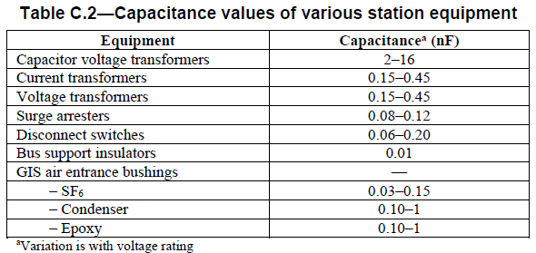

Circuit Breaker Chopping Number
Northeast Power Systems, Inc.
66 Carey Road, Queensbury, NY | Phone: (518) 792-4776 Fax: (518) 792-5767 www.nepsi.com

Typical Values - Chopping Number and Current Chop
Table A.1¹ is a reference to the range of chopping numbers for various types of circuit breaker; oil, air blast, and SF6 types. Because the chopping number approach cannot be used for vacuum circuit breakers, a different calculation method must be used based on chopping current (see Table II³). The chopping current of a vacuum breaker depends mainly on contact surface material. Table II³ is a reference to the average and maximum chopping current of vacuum breakers depending on their contact material. When using this approach, it is recommended to use the maximum values for chopping current so that calculations results are conservative.

Breaker TRV & RRRV Values
Northeast Power Systems, Inc.
66 Carey Road, Queensbury, NY | Phone: (518) 792-4776 Fax: (518) 792-5767 www.nepsi.com

IEEE Preferred Circuit Breaker Ratings
Tables 3⁴ & 7⁴ are IEEE preferred ratings for medium voltage circuit breakers. The recommended values to use in reactor switching duty correspond to T30/T10 test duty¹. For transformer switching T10 test duty would be the most applicable. These values correspond to 30% and 10% of rated short-circuit breaking current respectively. The actual ratings on the particular circuit breaker may differ from these values, or may comply to a different standard, such as IEC.

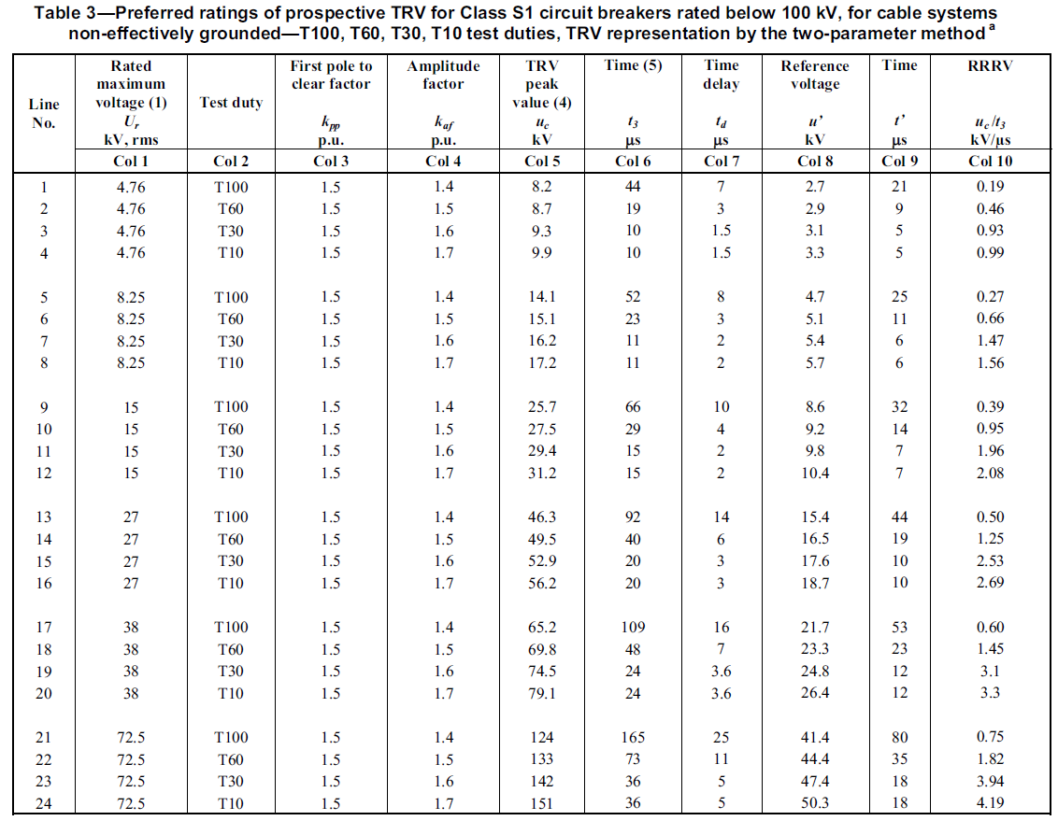

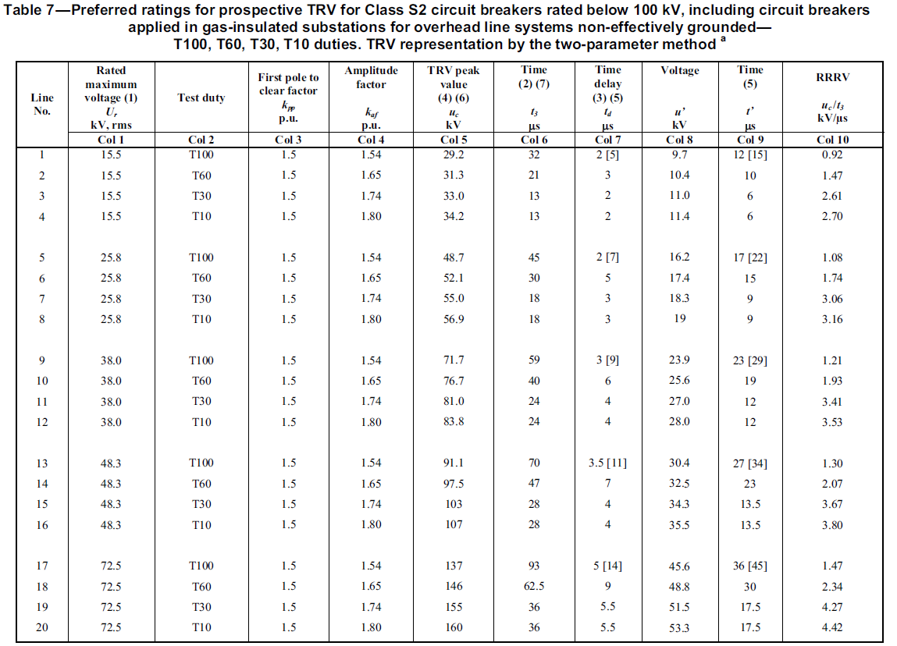

Typical Shunt Reactor Data
Northeast Power Systems, Inc.
66 Carey Road, Queensbury, NY | Phone: (518) 792-4776 Fax: (518) 792-5767 www.nepsi.com

Typical Shunt Reactor Data
Table B.2¹ is given for reference and can be used when actual data is not available. The actual inductance value in the spreadsheet tool is calculated using its nameplate ratings (rated voltage and reactive power rating).

